Res_Iteracion1
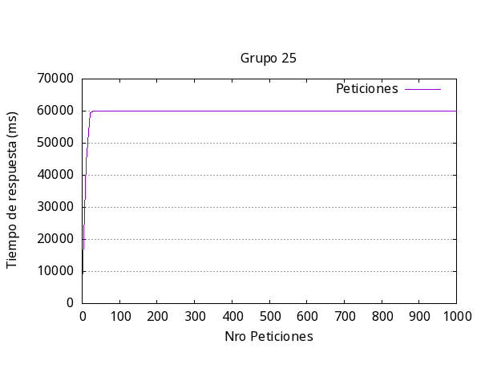
Media por solicitud | 60546.7 ms
Solicitud mas rápida | 5256 ms
Solicitud mas lenta | 60113 ms
Request fallidas | 986
Request por segundo | 1.65

Res_iteracion3

Media por solicitud | 60434.5ms
Solicitud mas rápida | 4181ms
Solicitud mas lenta | 60025ms
Request fallidas | 988
Request por segundo | 1.65

Res_iteracion4

Media por solicitud | 60441.6ms
Solicitud mas rápida | 4238ms
Solicitud mas lenta | 60020ms
Request fallidas | 989
Request por segundo | 1.65

Res_iteracion5

Media por solicitud | 60477.2ms
Solicitud mas rápida | 4200ms
Solicitud mas lenta | 60024ms
Request fallidas | 988
Request por segundo | 1.65

general
Iteración | Media respuesta (ms) | Más Rápida (ms) | Más Lenta (ms) | Request Fallidas | Request por segundo | Iteración | Media respuesta (ms) | Más Rápida (ms) | Más Lenta (ms) | Request Fallidas | Request por segundo
1 | 60546.7 | 5256 | 60113 | 986 | 1.65
2 | 60538.9 | 5265 | 60089 | 989 | 1.65 | 1 | 63169 | 698 | 75915 | 405 | 1.58
3 | 60434.5 | 4181 | 60025 | 988 | 1.65 | 2 | 63203 | 664 | 79232 | 600 | 1.58
4 | 60441.6 | 4238 | 60020 | 989 | 1.65 | 3 | 65564 | 1517 | 85020 | 674 | 1.58
5 | 60477.2 | 4200 | 60024 | 988 | 1.65 | 4 | 65891 | 1941 | 98642 | 718 | 1.52
Promedio | 60487.78 | 4628 | 60054.2 | 988 | 1.65 | 5 | 65737 | 1552 | 85780 | 761 | 1.52
 |  |  |  |  |  |  | 64712,8 | 1274,4 | 84917.8 | 631,6 | 1,556
Respuesta más lenta por Iteración Experimento #2
Respuesta más lenta por Iteración Experimento #1

